D1
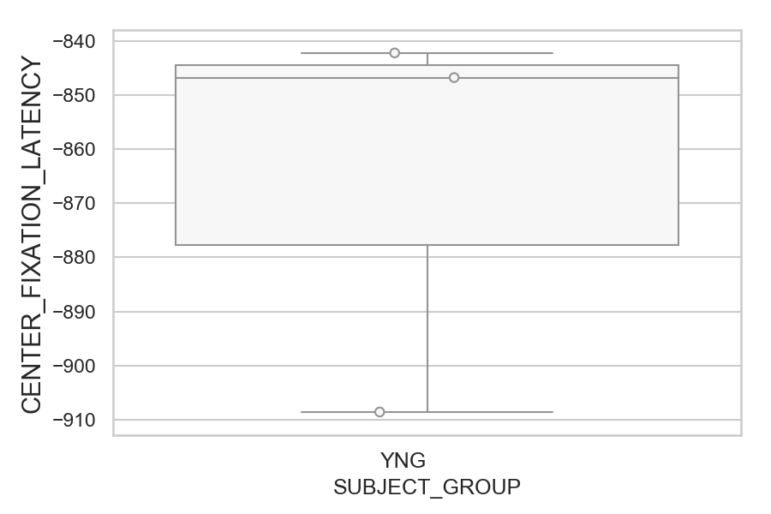
Latency of the center fixations relative to fixation_target_onset (ms)(median of all fixations per trial) (mean of trials per subject)
SUBJECT_NAME | SUBJECT_GROUP | SUBJECT_AGE | VALUE
AW001CG | YNG | 19 | -842.19230769
MP1 | YNG |  | -846.75
AW002AF | YNG | 19 | -908.57692308

D1 (types)
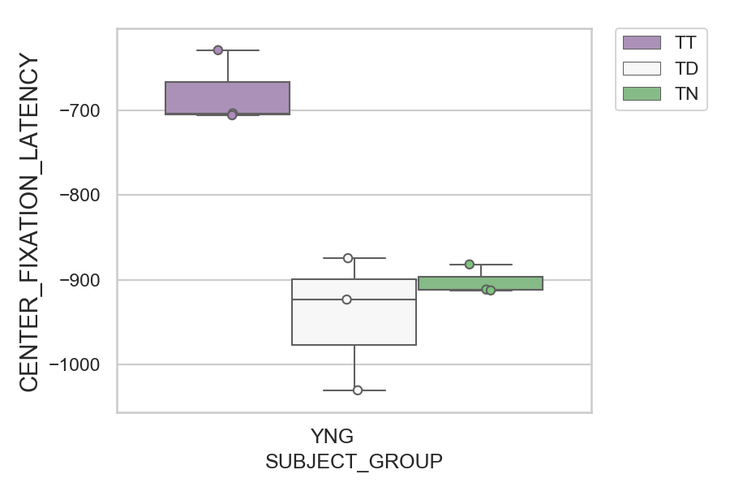
Latency of the center fixations relative to fixation_target_onset (ms)(median of all fixations per trial) (mean of trials per subject)
SUBJECT_NAME | SUBJECT_GROUP | CONDITION_APPEARANCE | SUBJECT_AGE | VALUE
MP1 | YNG | TT |  | -629
AW002AF | YNG | TT | 19 | -703.53846154
AW001CG | YNG | TT | 19 | -705.76923077
AW001CG | YNG | TD | 19 | -874.4
AW002AF | YNG | TN | 19 | -881.71428571
AW001CG | YNG | TN | 19 | -911.35714286
MP1 | YNG | TN |  | -912.42857143
MP1 | YNG | TD |  | -923.2
AW002AF | YNG | TD | 19 | -1030.24

D2
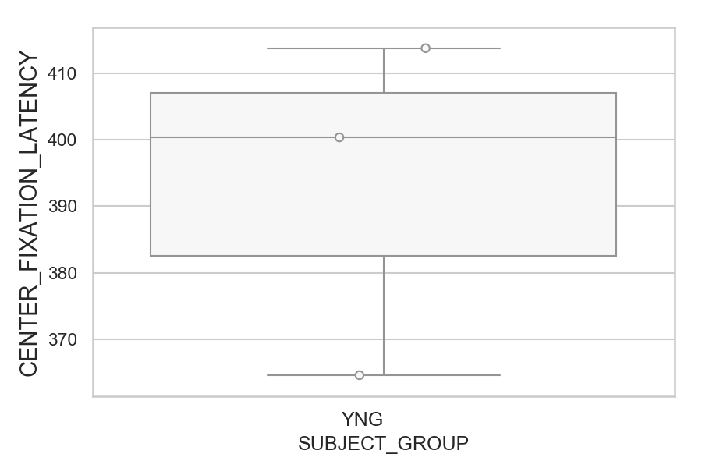
Latency of the center fixations relative to fixation_target_onset (ms)(median of all fixations per trial) (mean of trials per subject)
SUBJECT_NAME | SUBJECT_GROUP | SUBJECT_AGE | VALUE
AW002AF | YNG | 19 | 413.76
MP1 | YNG |  | 400.36
AW001CG | YNG | 19 | 364.60784314

D2 (types)
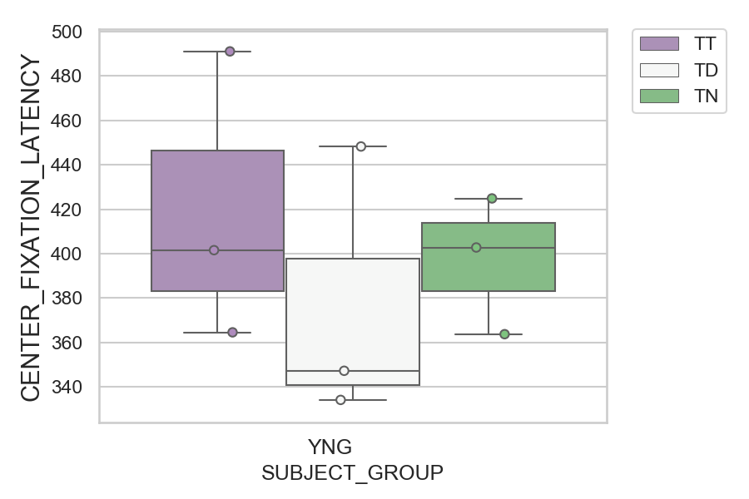
Latency of the center fixations relative to fixation_target_onset (ms)(median of all fixations per trial) (mean of trials per subject)
SUBJECT_NAME | SUBJECT_GROUP | CONDITION_APPEARANCE | SUBJECT_AGE | VALUE
MP1 | YNG | TT |  | 491
AW002AF | YNG | TD | 19 | 448.2173913
MP1 | YNG | TN |  | 424.85714286
AW002AF | YNG | TN | 19 | 402.78571429
AW001CG | YNG | TT | 19 | 401.58333333
AW002AF | YNG | TT | 19 | 364.61538462
AW001CG | YNG | TN | 19 | 363.78571429
AW001CG | YNG | TD | 19 | 347.32
MP1 | YNG | TD |  | 334.2173913

D2 (no D1 failed)
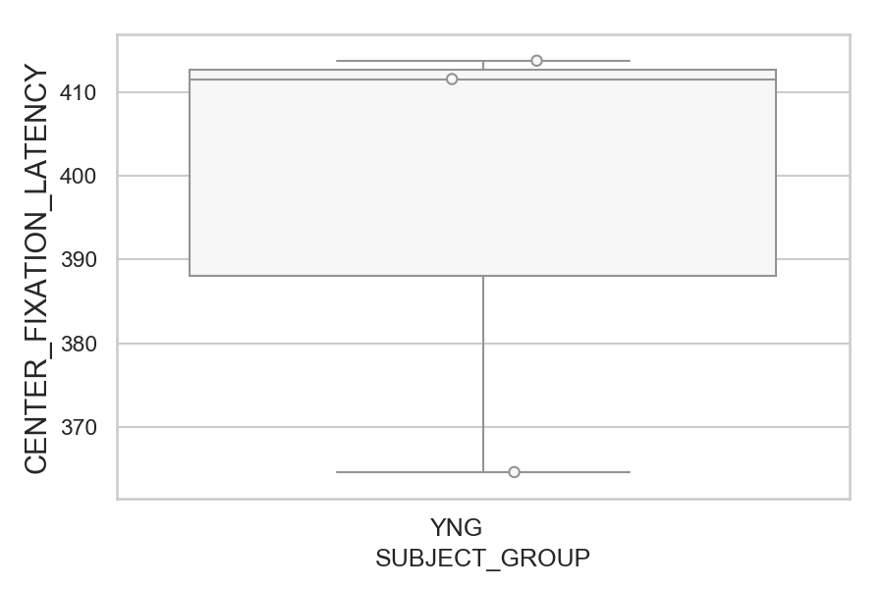
Latency of the center fixations relative to fixation_target_onset (ms)(median of all fixations per trial) (mean of trials per subject)
SUBJECT_NAME | SUBJECT_GROUP | SUBJECT_AGE | VALUE
AW002AF | YNG | 19 | 413.76
MP1 | YNG |  | 411.5625
AW001CG | YNG | 19 | 364.60784314

D2 (no D1 failed) (types)
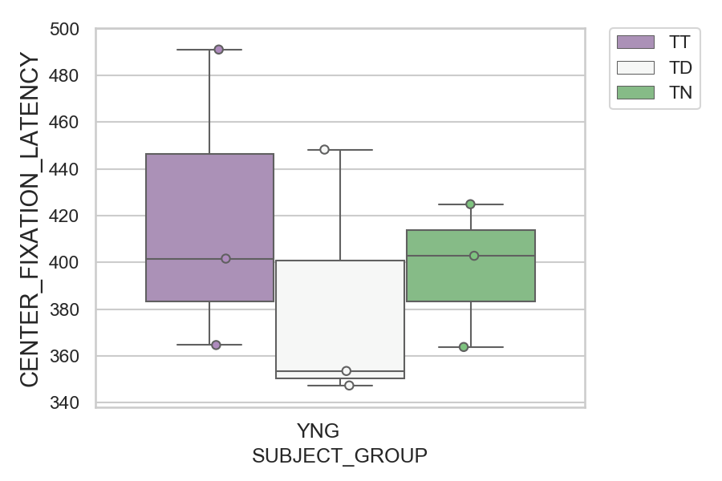
Latency of the center fixations relative to fixation_target_onset (ms)(median of all fixations per trial) (mean of trials per subject)
SUBJECT_NAME | SUBJECT_GROUP | CONDITION_APPEARANCE | SUBJECT_AGE | VALUE
MP1 | YNG | TT |  | 491
AW002AF | YNG | TD | 19 | 448.2173913
MP1 | YNG | TN |  | 424.85714286
AW002AF | YNG | TN | 19 | 402.78571429
AW001CG | YNG | TT | 19 | 401.58333333
AW002AF | YNG | TT | 19 | 364.61538462
AW001CG | YNG | TN | 19 | 363.78571429
MP1 | YNG | TD |  | 353.52380952
AW001CG | YNG | TD | 19 | 347.32

